Sheet1
Current | 3
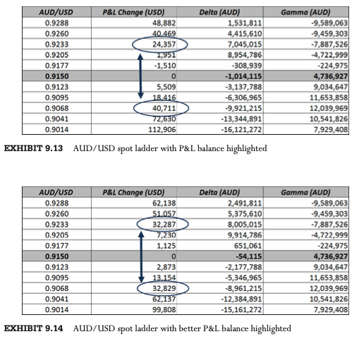
 | Spot | P&L Change (USD) |  | Spot | P&L Change (USD)
 | 150 | 150 |  | 150 | 200
 | 125 | 75 |  | 125 | 100
 | 100 | 0 |  | 100 | 0 | Buy AUD below (see it as a quantity)
 | 75 | -75 |  | 75 | -100 | 963,855
 | 50 | -150 |  | 50 | -200 | or add USD below
 |  |  |  |  |  | 881,928

 | To generate | 200
Need buy | 4 | missing -> | 1

or pay USD | 400

